Sheet1
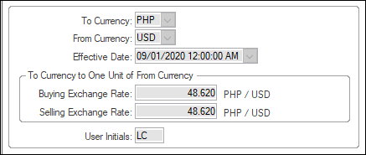
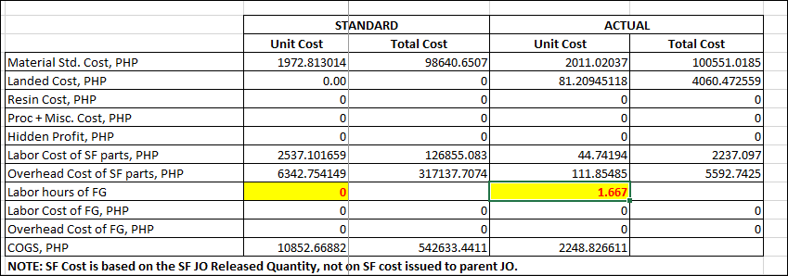

Actual FG Labour Hours is 1.667 but the labour cost of FG is zero (0)

REASON:
In Current Operations of Items of the FG, there is no "Labor Hours per Piece" value, which is the basis of the Actual Cost. (Standard Labor Hours per piece multiply by the LSP Standard labor cost rate and overhead rate). We use the standard labor hours per piece in the actual hours in job transactions, it was not very realistic so we decided before to use the std. hours for computation of the Actual FG Labour and Overhead Cost.
In this case, the Labour cost was in the same computation but the Actual Hours is the real actual hours from the job transaction, should I just make the Labour Hours of FG same with the Std to avoid confusions?

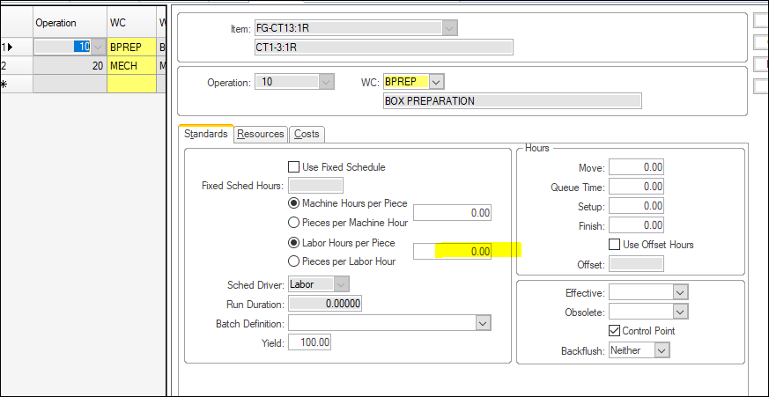
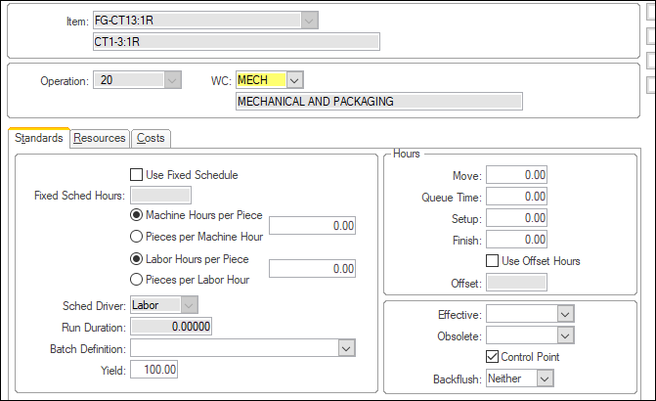

Big variance in the Std. Unit Cost and Actual Unit cost if this RM

REASON:
Std. Unit Cost is from Item Pricing while Actual Unit Cost is from Unit Cost of PO Receipts

(Unit Price / 1.2) x Exch Rate of transaction
(0.08 / 1.2) * 48.62
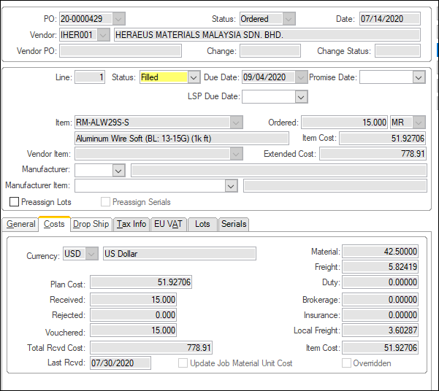
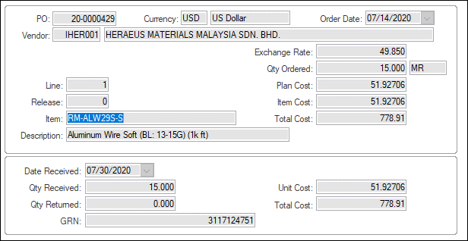
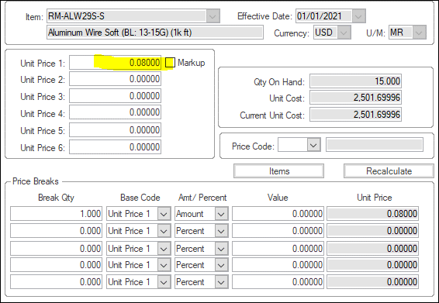

42.50 x 49.85 = 2118.625

Material Transasction of the RM going to SF Job (20CO-00001)

Exchange rate based on Transaction Date to be use for Std. Cost

